With_0.25in
 | Gas Release Event Summary |  |  | Component(s) | Toxic/ Flammable/ Inert | Mole Fraction | MW | Mass | Mass Fraction | Total Quantity Released (kg) | Qty Released in 1 hour (kg) | Tier 1 TQ (kg) | Tier 2 TQ (kg) | % of Tier 1 TQ | % of Tier 2 TQ | Total Flammable Qty Released (SCF) | Flammable Quantity Released in 1 hour (SCF)
 | Facility: | Central |  | Nitrogen | Inert | 0 | 28.00 | 0.00 | 0.0000 | 0.0 | 0.0 | 2000 | 200 | 0% | 0% | - | -
 | Event Date: | 2025-02-15 |  | Hydrogen Sulfide | Toxic | 0 | 34.10 | 0.00 | 0.0000 | 0.0 | 0.0 | 25 | 2.5 | 0% | 0% | - | -
 | Calc. Date: | 2025-02-15 |  | Carbon Dioxide | Inert | 0 | 44.00 | 0.00 | 0.0000 | 0.0 | 0.0 | 2000 | 200 | 0% | 0% | - | -
 | By: | Krishnaraj Sambath |  | Methane | Flammable | 0.75 | 16.04 | 12.03 | 0.5283 | 10.1 | 2.7 | 500 | 50 | 1% | 5% | 529 | 143
 | Indoor/Outdoor: | Outdoor |  | Ethane | Flammable | 0.12 | 30.07 | 3.61 | 0.1585 | 3.0 | 0.8 | 500 | 50 | 0% | 2% | 85 | 23
 | Total quantity released: | 0.7 | MCF | Propane | Flammable | 0.07 | 44.09 | 3.09 | 0.1355 | 2.6 | 0.7 | 500 | 50 | 0% | 1% | 49 | 13
 | Release duration: | 222.0 min |  | Butane | Flammable | 0.03 | 58.12 | 1.74 | 0.0766 | 1.5 | 0.4 | 500 | 50 | 0% | 1% | 21 | 6
 | % Combusted | 0% |  | Pentane | Flammable | 0.02 | 72.15 | 1.44 | 0.0634 | 1.2 | 0.3 | 500 | 50 | 0% | 1% | 14 | 4
 |  |  |  | Hexane | Flammable | 0.01 | 86.17 | 0.86 | 0.0378 | 0.7 | 0.2 | 1000 | 100 | 0% | 0% | 7 | 2
 | Flowrate in 1 hr: | 5.2 kg/hr | (See Note 1) | Heptane | Flammable | 0 | 100.20 | 0.00 | 0.0000 | 0.0 | 0.0 | 1000 | 100 | 0% | 0% | 0 | 0
 | Qty released in 1 hr: | 5.2 kg |  | Octane | Flammable | 0 | 114.22 | 0.00 | 0.0000 | 0.0 | 0.0 | 1000 | 100 | 0% | 0% | 0 | 0
 |  |  |  | Sum: |  | 1.0000 |  | 22.77 | 1.0000 | 19.2 | 5.2 |  |  | 1% | 10% | 705 | 190
During total duration | Total quantity released (in volume): | 0.7 MCF | (See Note 2)
 | Total quantity released (in mass): | 19.2 kg |  |  |  | Note 1: | Override C11 if worst hour release rate is available and different
 | Unburnt gas (in volume) | 0.7 MCF |  | Key |  | 2023 OEDRS
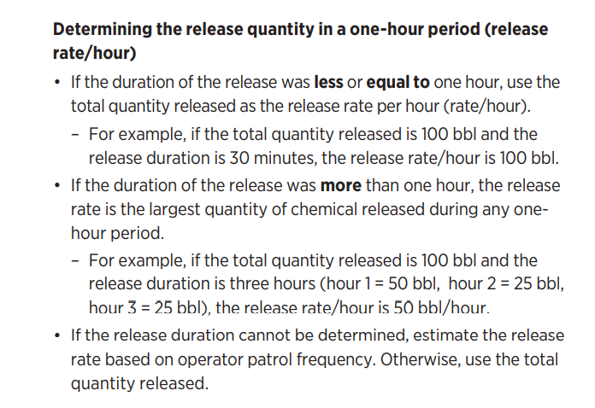
 | Unburnt gas (in mass) | 19.2 kg |  | Inputs
 |  |  |  | Interim Calcs
In one-hour period | Quantity released in 1 hr (in volume): | 0.2 MCF |  | Outputs
 | Quantity released in 1 hr (in mass): | 5.2 kg
 | Unburnt gas (in volume) | 0.2 MCF
 | Unburnt gas (in mass) | 5.2 kg

Category | Tier 1 | Tier 2
Toxic | 0% | 0%
Flammable | 1% | 10%
Inert | 0% | 0%

 |  |  |  |  |  | Note 2:
 |  |  |  |  |  | API's 2009 GHG Compendium

VolumeCalcs
Volume Type | D2 [in] | D1 [in] | hL [in] | L [ft] | Vol. [ft3] | Pinitial [psig] | Pfinal [psig] | T [F] | Zinitial | Zfinal | Release [MCF] | Legend
Pipe | 0 | 6 | 0 | 1000 | 196 | 60 | 5 | 90 | 0.9872 | 0.99893333333 | 0.70 |  | Input
Please select the volume type that best resembles the equipment that was blown down |  |  |  |  |  |  |  |  |  |  |  |  | Ignored
 |  |  |  |  |  |  |  |  |  |  |  |  | Interim Calcs
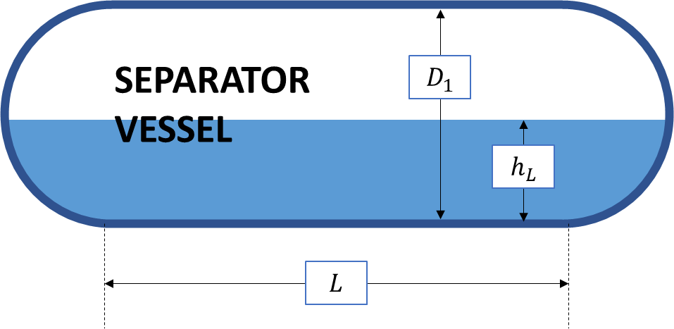
 |  |  |  |  |  |  |  |  |  |  |  |  | Output
 |  |  |  |  |  |  |  |  |  |  |  | Method:
 |  |  |  |  |  |  |  |  |  |  |  | Based on non-ideal gas law (PV = ZnRT), number of moles in the pipeline before and after the event is computed
 |  |  |  |  |  |  |  |  |  |  |  | The difference is converted to MCF for release estimate

 |  |  |  |  |  |  |  |  |  |  |  | Approach:
 |  |  |  |  |  |  |  |  |  |  |  | If Release Volume is greater than 100 MCF, reach out to process engineering team for verification
 |  |  |  |  |  |  |  |  |  |  |  | Detailed HYSYS simulations may be performed for additional / independent review

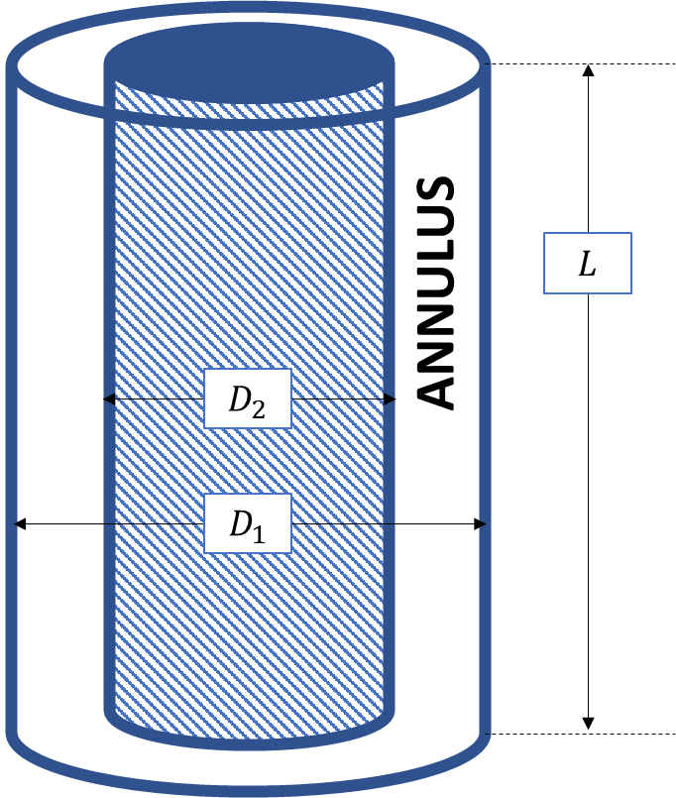
 |  |  |  |  |  |  |  |  |  |  |  | Notes:
 |  |  |  |  |  |  |  |  |  |  |  | If T_Gas [F] is unavailable, use 60F for a conservative estimate
 |  |  |  |  |  |  |  |  |  |  |  | Above method is validated for 0 < P < 5000 psig, 40 < T < 150 F
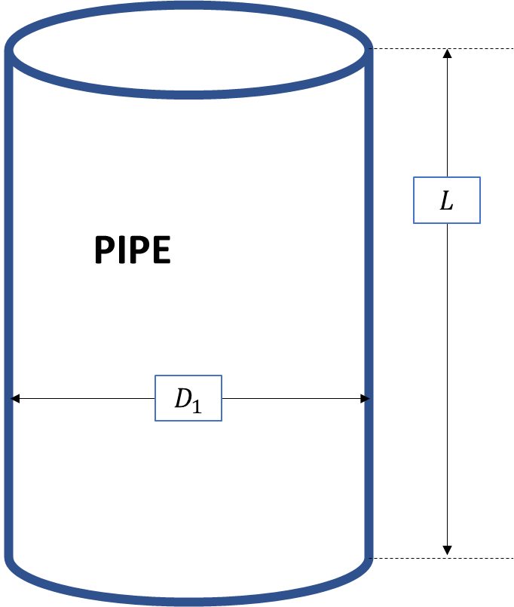
 |  |  |  |  |  |  |  |  |  |  |  | If (P, T) for your scenario is outside this range, please contact proces engineering team
 |  |  |  |  |  |  |  |  |  |  |  | Refer to chapter 3 of AVENGERS playbook (by process engineering) for further details

